NC1 in USPS-R
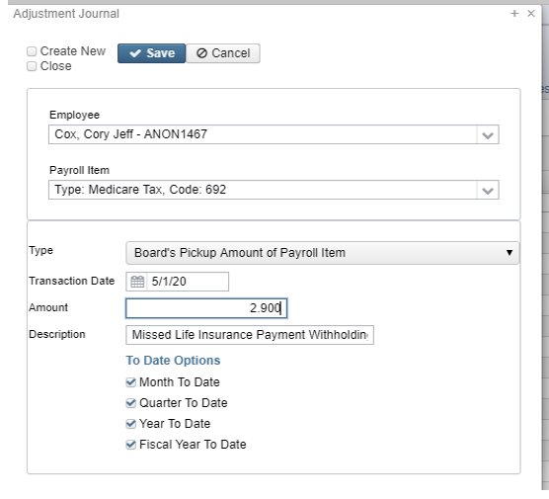
Life Insurance Premiums (NC1) in USPS-R:

 | Life Insurance Premiums (NC1) pay types can be added in either Payroll->Payroll Payments-Future or in Payroll -> Payroll Payments-Current after the payroll has been balanced.

 | Any NC1 amounts are taxed by Medicare or Social Security, as applicable. No Federal, State, or OSDI tax is deducted from this amount. The software provides the ability to withhold city tax on non-cash earnings.

 | This can be activated by setting the "Tax non-cash earnings" flag to Y (yes) on the city tax record in Core -> Payroll Item Configuration.

 | The non-cash earnings amount will not be included in the gross pay amount, nor in the gross totals found on Pay Report or Pay Amount Summary Report. However, the non-cash earnings amount is being included in the adjusted gross figure because the amount is considered part of the taxable gross even though no tax is being withheld on it. Both the Pay Report and Pay Amount Summary Report will provide a total figure of all non-cash earnings in the total section. This extra total will help in balancing purposes.

 | The total payment showing for NC1, will be added to the total and taxable gross figures on Federal, State and OSDI tax records.

Life Insurance Premiums (NC1) PAYROLL PROCESSING INSTRUCTIONS

 | Complete additional payroll entries prior to final payroll.

 | ___ Life Insurance Premium = NC1 (Life Insurance over 50,000)

 | ___ Adoption Assistance = NC2

 | ___ Non-cash Taxable Benefit = NC3

 | ___ If you Do Not use the "Dependent Care" deduction type, add Dependent Care Benefits from
 | 125 Plan employee contributions to the 001 deduction screen (Dependent Care)

 | Add any lease, car payments or moving expense reimbursement (military only) to the 001 deduction screen (NEW 2018 Moving Expense - reduced benefit)
 | Please refer to CYE document IRS Moving Expense Reimbursement
 | Tuition Reimbursement over 5250.00 could be added to taxable gross wages 001 (see IRS Publication 15B page 10 and 21 & IRS Tuition Assistance page 78)

 | Complete final payroll for 2022 - Processing Life Insurance Payment Through Payroll

 | · Using the PAYROLL/PAYROLL PAYMENTS - CURRENT or PAYROLL/PAYMENTS-FUTURE program, the amount should be entered using a pay type of Life Insurance Premium. This pay type represents one kind of non-cash earnings for the employee.
 | · If the district has many NC1 adjustments, then they can use the NC1 Attendance Upload sample.csv upload template. Please contact HCC via a help desk ticket, and we will send that to you.
 | · This pay type will be treated differently for taxation purposes. Using this non-cash earnings amount, the tax amounts for Medicare and Social Security will be calculated during the Initialization of the pay and PAYROLL/PAYMENTS - CURRENT program.
 | · No Federal, State, or OSDI tax amounts will be calculated. All of these will be treated according to the federal rules. The software provides the ability to withhold city tax on non-cash earnings. This can be activated by checking the "Tax Non Cash Earn" field on the city tax record in the CORE/PAYROLL ITEM CONFIGURATION screen.
 | · Complete the payroll.
 | · The non-cash earnings amount will not be included in the gross pay amount, nor in the gross totals found on Pay Report or REPORTS/PAY AMOUNT SUMMARY REPORT options. However, the non-cash earnings amount is being included in the adjusted gross figure because the amount is considered part of the taxable gross even though no tax is being withheld on it. Both the Pay Report and REPORTS/PAY AMOUNT SUMMARY REPORT options will provide a total figure of all non-cash earnings in the total section. This extra total will help with balancing.

 | Life Insurance Payment was Not Processing Through Payroll
 | If the Life Insurance Premium Pay Type was NOT USED prior to the last pay for the employee the Life Insurance (NC1 in classic) payment amount must be entered manually in order for the Life Insurance amount to show correctly on the W2 form and to insure that the Quarter balances.
 | Go to Core-Adjustments- Click on Create: Find the Employee, choose the 001 Federal Payroll Item, Type: Life Insurance, enter Transaction Date and Amount
 | When the Save button is clicked, this will update the total and taxable gross fields for any Payroll Item that taxes Life Insurance Premiums (Federal, State, OSDI, City, (if applicable) and Medicare. This is then reflected on the W2 Report.
 | The employee will owe city tax for the Life Insurance Amount not paid through the system. This will be reflected when the employee files their taxes with the city.

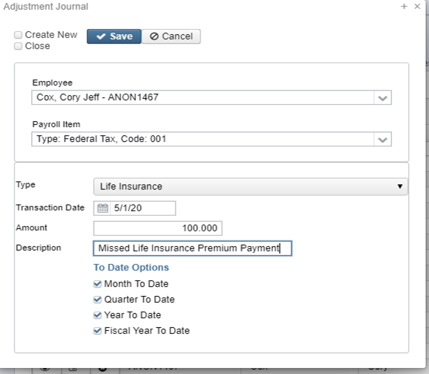
 | Medicare withholding must be paid. If the Medicare withholding was paid by the employee and employer or it was entirely paid by the employer, Adjustments must be made to the 692-Medicare-Employee Amount Withheld and Board Amount of Payroll Item.
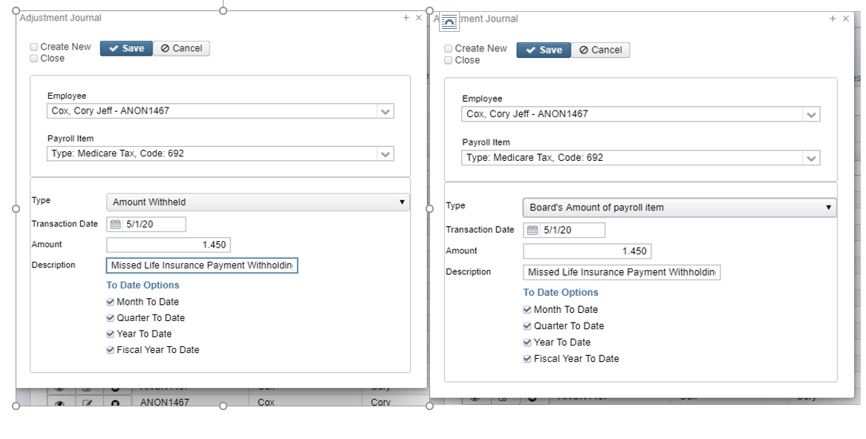

 | If Medicare is fully board paid (Pickup) then the total Adjustment should be made to the Board Pickup Amount of Payroll Item.

